1. Title Page
Basket Analysis

Project Name: Basket Analysis
Date: 10/20/2023
Analyst Name: Danielle Wright

Contents:
Population Flow
Consistency checks
Wrangling steps
Column derivations
Visualizations
Recommendations

2. Population Flow
Title page

Population flow

Exclusion flag
Condition: max_order <
Observations to be removed:
Final total count of order_products_all: 32,404,859

Orders_products_combined
Orders_products_merged
Orders_products_all

Total: 32,434,489
Total: 32,404,859
Total: 32,404,859

1.) The grey boxes in the first row of the population flow represent the original data sets as they were when you downloaded them. In the Total fields you need to add the count of the rows when you imported the data set into Jupyter.
2.) The second row of boxes (coloured) represents the data sets after you manipulated them, e.g., removed missing values and duplicates. In the Total fields you need to add the count of the rows after conducting these operations. This offers a visual oveview of how the data flows throughout the data consistency checks.
3.) The third row, where also the arrows are coloured, represents the merges you performed between the datasets. In the Total fields you need to add the count of the rows in the merged datasets, so that you end up with the final dataset (in the red box). Keep in mind the final dataset should be without exclusions (based on the exclusion flag).

3. Consistency checks
 |  |  |  | Title page
Consistency checks

Dataset | Missing values | Missing values treatment | Duplicates
orders | days_since_prior_order | Used as flag for customer's first order
products
orders_products_prior
customers | first name | Names were dropped due to PII concerns

4. Wrangling steps
 |  |  |  | Title page
Wrangling steps

Columns dropped | Columns renamed | Columns' type changed | Comment/Reason
 | orders.csv/order_dow |  | changed for clarity
 |  | orders.csv/order_id | remove from descriptive data
 |  | orders.csv/user_id | remove from descriptive data
first name, last name |  |  | observing PII best practices

5. Column derivations
 |  |  |  | Title page

Column derivations and aggregations

Dataset | New column | Column/s it was derived from | Conditions
df_ords_prods | price_range_loc | prices | low range <=5, mid-range >5 & <=15, high range >15
df_ords_prods | busiest_days | order_day_of_week | busiest days 0/1, least busy 3/4, else regularly busy
df_ords_prods | busiest_period_of_day | order_hour_of_day | most orders (10,11,14), fewest orders (3,4,2), average orders (all others)
ords_prods_merge | loyalty_flag | max_order | loyal (>40), regular (<40, >10), new (<=10)
ords_prods_merge | max_order | user_id & order_number
ords_prods_merge | average_price | user_id & prices, average
ords_prods_merge | spender_type | average_price | low (<10), high(>=10)
ords_prods_merge | frequency | user_id & days_since_prior_order
ords_prods_merge | freq_flag | frequency | non-frequent (>20), regular (<=20), frequent (<=10)
insta_complete | region | state

6. Visualizations
 |  |  |  | Title page

Visualisations

FIG 1 |  | FIG 2
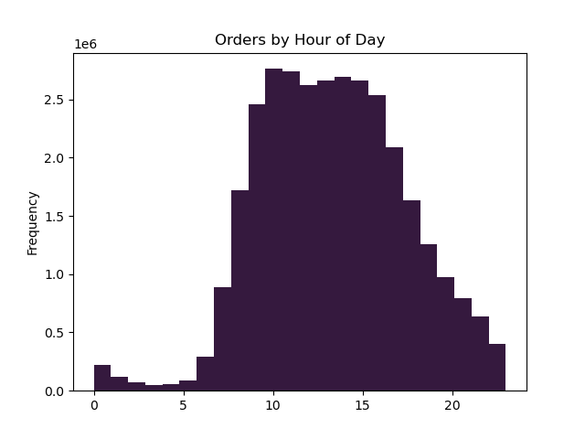
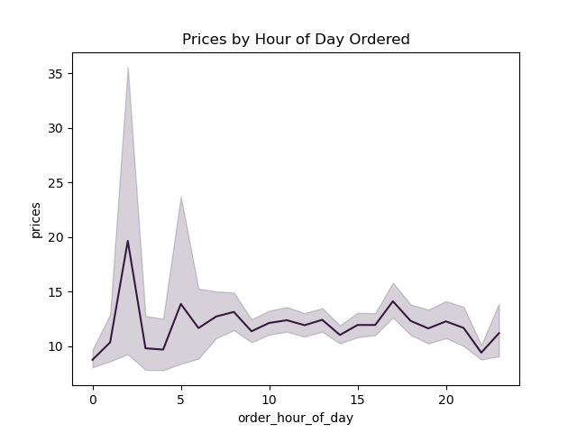

KEY QUESTION 1: This graph shows that the busiest hours of the day are |  | KEY QUESTION 2: This graph shows that the largest price expenditures are early
between 10 and 3, and that the least busy hours are between midnight and 5 AM. |  | in the morning. Combining this with more ads earlier in the morning (fig. 1) could
Thus, the best time to schedule ads to get the most views are between 8 PM and |  | result in a revenue boost
5:00:00

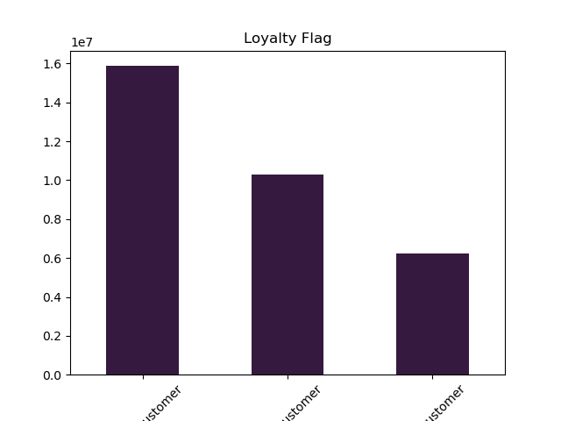
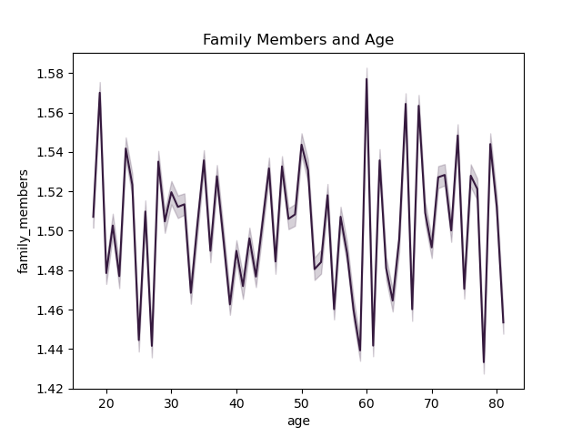

KEY QUESTION 5A: As we can see here, regular customers make up the majority |  | KEY QUESTION 5D: There is no correlation between age and family
of Instacart users, but regular customers can become loyal customers with the right |  | members when it comes to ordering status, because age and family
mix of ads, services provided, and great customer service. |  | members do not have a correlation

CUSTOMER PROFILE VISUALIZATIONS
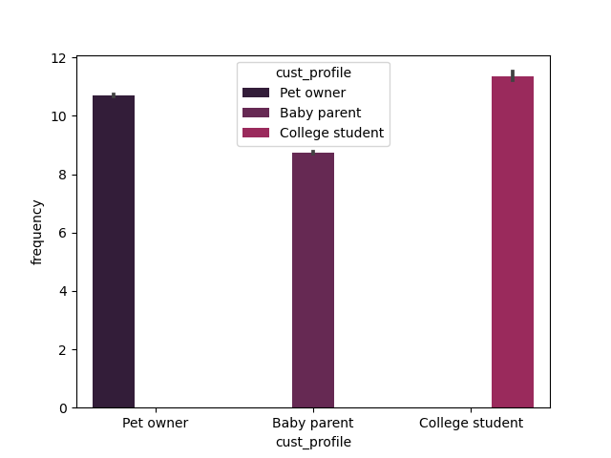
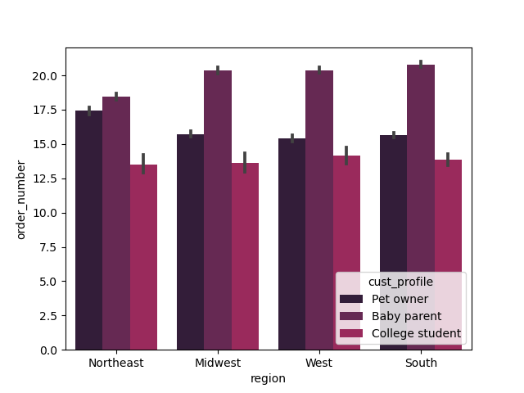
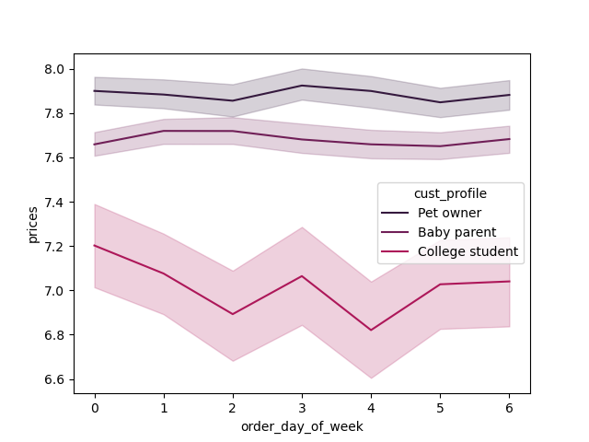

 | KEY QUESTION 5E: Suggested demographics are college students, pet owners |  | KEY QUESTION 5F: College students' orders are naturally lower given their lower income, |  | KEY QUESTION 1: Looking at our demographics, we can see
 | and people with very young children, as they contain easily trackable information |  | but parents of young children are often coming back with more orders - while pet |  | that pet owners and parents of infants tend to order pretty regularly
 | from the data we have. Pet owners are going to purchase primarily from department |  | owners can shop at pet-centric stores for what they need, parents are going to go |  | and at steady costs. The lower income college student bounces around
 | ID 8, parents of very young children from department ID 18. There could be a |  | to the grocery store, sometimes by necessity |  | through the week, doing what looks like a midweek restock.
 | line drawn from low income, lower age, and a higher propensity for frozen goods if
 | we had the data to cross-reference it with college towns (which was not available
 | in this dataset).

 | Another good option to includeis the DINK (dual income no kids) demographic, with
 | a high combined income and married with only 1 family member.

7. Recommendations
 |  |  | Title page

Recommendations

In this tab you should include any recommendations you would made to Instacart in terms of their marketing strategy based on the questions posed in the brief. Every key question has been covered in the Tasks of the Exercises - here you need to add an item - a visualisation or table/crosstable that is showing the answer in the data, acompanied by a comment from you. Please, list the questions below and add the answer underneath.

Busiest days of week and hours of the day? | When do people spend the most money? | Simpler price groupings? |  | What departments have the highest frequency of orders? | Distribution of brand loyalty?
The five busiest hours of the day are 10 AM, 11 AM, | Though the orders are low at that time, Instacart customers | To simplify things as far as price goes, we have grouped the |  | The top five departments are produce (4), dairy & eggs (16), | The majority of Instacart customers are the regular customers,
2 PM, 3 PM, and 1 PM. | spend the most amount of money between midnight | price of all Instacart items into three buckets: low range, |  | snacks (19), beverages (7), and frozen goods (1). | with the next highest group being the loyal customers.
OBSERVATION: People put in their Instacart orders when they | and 4 AM. | mid range, and high range. Once our criteria has been applied
sit down for a break, be that on a weekend |  | to the products in the dataset (low: under $5, mid: between $5 |  | OBSERVATIONS: People are using Instacart to grab fresh produce | OBSERVATIONS: Regular customers become loyal customers, as long
or a weekday. |  | and $15, high: over $15), the breakout of Instacart products |  | for cooking (rather than having it sit in their fridge), dairy and | as they feel like they're getting a good deal, great service, and can
The two busiest days of the week are Saturday |  | is as follows: |  | eggs (which run out often), and then the kinds of foods you'd | find what they want at the business without muss or fuss. Doing
and Sunday, and the two least busy are Tuesday |  |  |  | often want on a whim (snacks, beverages, frozen goods). | a deeper dive on these regular customers and what they tend to buy
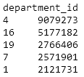
and Wednesday. |  |  |  |  | can point Instacart in the right direction to target them with the right
OBSERVATION: People want to get their grocery shopping done |  |  |  |  | ads at the right time.
on the weekends, and then not have to worry about it for the
week. They're buying for at least a week at a time, so they don't
need to re-buy on Tuesdays or Wednesdays.
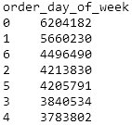

Difference in ordering habits based on loyalty status? | Differences in ordering habits based on region? | Is there a connection between age & family status? |  | What customer classifications can be found in this data? | Differences in ordering habits of customer profiles?
The loyal customer has the lowest average order, | The South has the highest number of high spenders, | There is no connection between age and family |  | Because this data contains a number of demographic options - | Looking at our three chosen customer profiles and when they
but this is because they're using Instacart more | by over 2 million Instacart customers, while the Northeast | status as far as orders go. Because a family status can |  | age, marital status, income, family members, shopping habits - a | order, the pet owners and parents of infants tend to do their
regularly (for regular products as well as emergency | has the lowest number of Instacart customers overall. | change at any age, there is already not a correlation |  | number of customer profiles could be put together. DINK (dual income | ordering early in the morning (perhaps when the pets wake up and
items, which can often be more expensive). However |  | between age and family status and thus would not be one |  | no kids) could be based on marital status married & 1 family member, | need to be let out, or when the baby wakes up before they're sleeping
the difference in average order between new, regular, | OBSERVATIONS: Increasing Instacart ads in major cities in | between these two variables and frequency of orders. |  | plus high income. Pet owners shop mainly in department ID 8. Parents | through the night). We already know that this is also a low ordering
and loyal customer is not as wide as one might surmise. | the Northeast, as well as pairing promotions and deals |  |  | with new babies shop mainly in department ID 18. If there are customers | time overall - Instacart could target these customers when they're
 | with local events, could bring in more customers from |  |  | that order in every department except 12, it can be reasonably surmised | putting in those first orders of the day with complementary products
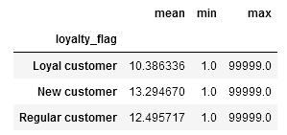
 | that region and increase revenue. |  |  | that they may be vegetarian or vegan. | that work with what they usually tend to order.
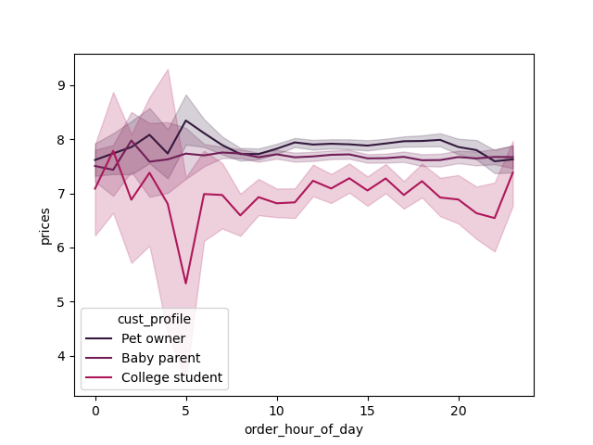

Additionally, "frequent customers" (those whose order
frequency is less than 10) are the largest group of customers
by frequency - Instacart's customers, once they start using
Instacart, keep on using it.

